Lico 790-32
 | 790/32

Photo | Art.-Nr. | Name | Farbe | EU | 36 | 37 | 38 | 39 | 40 | 41 | 42 | 43 | 44 | 45 | 46 | 47 | Total | UVP
 | Ref.No. | Description | Colour
 | 410076 | Sun Sabot | blau/marine/lemon |  | 7 | 4 | 24 | 22 | 2 | 1 |  |  |  |  |  |  | 60 | 45,95€
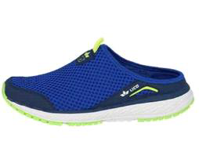
 | 411036 | Spiridon Sabot | schwarz |  | 14 | 13 | 31 | 56 | 26 |  |  |  |  | 2 | 5 | 6 | 153 | 45.95
 | 400078 | Mariola | grau/türkis |  |  |  | 4 |  | 4 | 21 | 4 | 44 |  |  |  |  |  | 49,95€
 |  |  |  |  |  |  |  |  |  |  |  |  |  |  |  |  | 77

 | 400107 | Miami | braun |  | 2 | 12 | 18 | 14 | 16 |  |  |  |  |  |  |  | 62 | 49,95 €
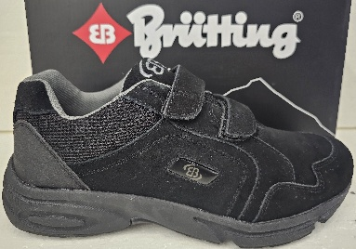 | 191317 | Circle | schwarz LEATHER |  |  | 20 | 39 | 70 | 47 | 36 | 1 |  |  |  |  |  | 213 | 49,95 €
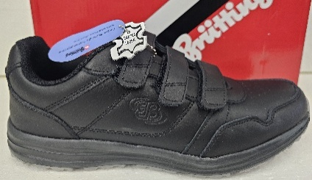 | 121035 | Classic Run | schwarz LEATHER |  |  | 13 | 11 | 10 | 78 | 30 | 34 | 1 |  |  |  |  | 166 | 49,95 €
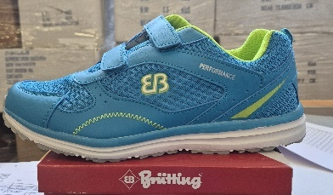 | 121039 | Performance | blau/gelb |  |  |  |  | 20 |  |  |  | 90 | 70 |  |  |  | 180 | 45.95
 | 400106 | Makira | schwarz/rot |  |  |  |  |  |  |  | 12 | 3 | 3 |  | 1 |  |  | 49,95 €
 |  |  |  |  |  |  |  |  |  |  |  |  |  |  |  |  | 19
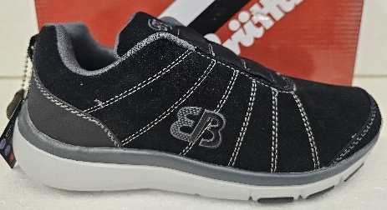
 | 591220 | Dallas Slipper | schwarz/grau LEATHER |  |  |  |  |  | 3 | 18 | 12 | 1 |  |  |  |  | 37 | 49,95 €
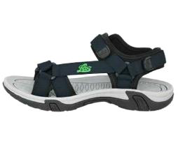 | 400101 | Limnos V | marine/lemon |  |  |  |  |  |  | 9 | 9 | 1 | 1 | 1 |  |  | 21 | 39,95 €
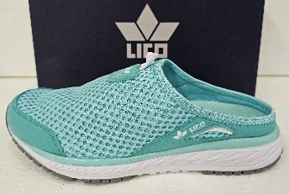 | 410075 | Sun Sabot | türkis/weiss |  |  |  | 2 |  | 15 | 5 |  | 10 |  |  |  |  | 32 | 45,95 €
TOTAL |  |  |  |  | 22 | 33 | 72 | 52 | 61 | 84 | 46 | 70 | 26 | 7 | 8 | 2 | 1020

